Title
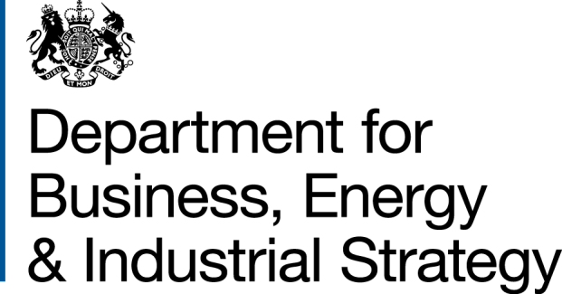
Household Energy Efficiency Statistics
This spreadsheet contains a selection of data tables to provide an overview of the progression of the Energy Company Obligation (ECO) and Green Deal schemes.
ECO is a government energy efficiency scheme in Great Britain to help reduce carbon emissions and tackle fuel poverty. The scheme began in April 2013, and over time it has been amended.
ECO3 commenced on 3 December 2018 and concluded on 31 March 2022. ECO4 is the new four-year scheme to replace ECO3 intended to cover the period from 1 April 2022 to 31 March 2026. The ECO4 Order came into force on 27 July 2022.
Installations between 1 April and 30 June 2022 could be counted as either 'ECO3 Interim Delivery' or 'ECO4 Early Delivery'. More information on this interim delivery phase is available from Ofgem in their document 'Draft ECO4 Guidance: Interim Delivery', available here: https://www.ofgem.gov.uk/publications/draft-eco4-guidance-interim-delivery | 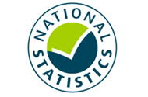
As Interim Delivery measures could not be notified to Ofgem until the ECO4 Order was in force, this publication temporarily includes data from Trustmark for the period 1 April to 31 July 2022. Installers are required to lodge their measures installed with Trustmark before Ofgem is notified.
Please note, these data from Trustmark are not Official Statistics. They are to be used as an indication of measures installed between April and July 2022. These figures will be revised in future publications once data on measures installed from Ofgem is available.
Publication dates
The data tables in this spreadsheet were published at 09:30am Thursday 22 September 2022.
The next publication will be at 09:30am on Thursday 27 October 2022.
Data Coverage
Data covered in this release is for delivery to the end of March 2022 (with additional data from Trustmark to the end of July 2022) and the associated costs for delivery to the end of March 2022.
Data covered in this release is for Great Britain.
Methodology
Information on the methods used in the analysis for this release are available in the Further Info sheet, and two separately published documents (Methodology Note and Background Quality Report) both available here:
https://www.gov.uk/government/publications/household-energy-efficiency-statistics-methodology-note
Notes on any significant revisions and/or changes to the analysis method are also available in the Further Info sheet.
Units, notes and no data
Some cells in the tables refer to notes which can be found beneath the tables on each worksheet. Note markers are presented in square brackets, for example: [n1]. Some cells have no data, when this is the case cell is left blank. An explanation of why there is no data is given at the top of the worksheet. Some column headings give units, when this is the case the units are presented in round brackets to differentiate them from note markers.
Contact Details
Press Enquiries to the Press Officer: 020 7215 5975; or the newsdesk: 020 7215 1000
Responsible Statistician: Isi Avbulimen
EnergyEfficiency.Stats@beis.gov.uk
07927 579551
This workbook was updated on: | 22-Sep-22
The next update for these statistics is: | 27-Oct-22

Charts
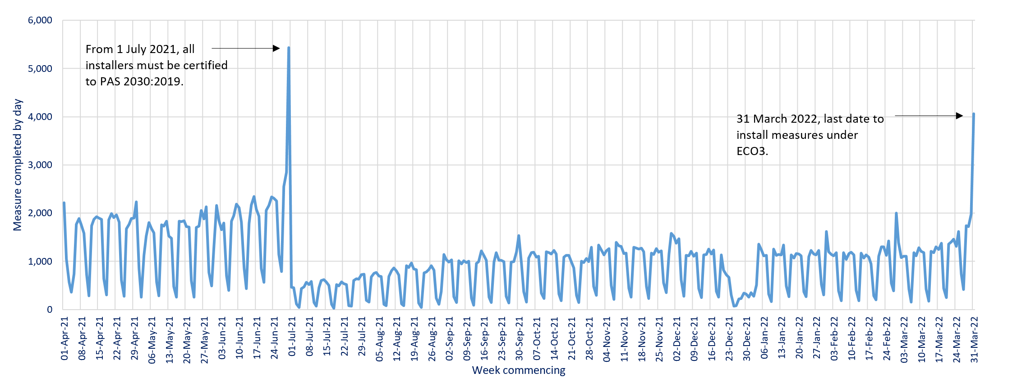
Charts visualising key statistics
This worksheet contains nine charts and three infographics. These charts and infographics visualise some of the key statistics within the release.
This worksheet contains blank rows and columns to aid the presentation of the charts.
Chart 1: ECO measures installed, by obligation, by month, up to end March 2022 | Chart 2a: Share of all ECO measures installed, by measure type, by ECO phase, up to end March 2022
Data from T2.3, T2.4 and T2.5 | Data from T2.6, T2.7 and T2.8
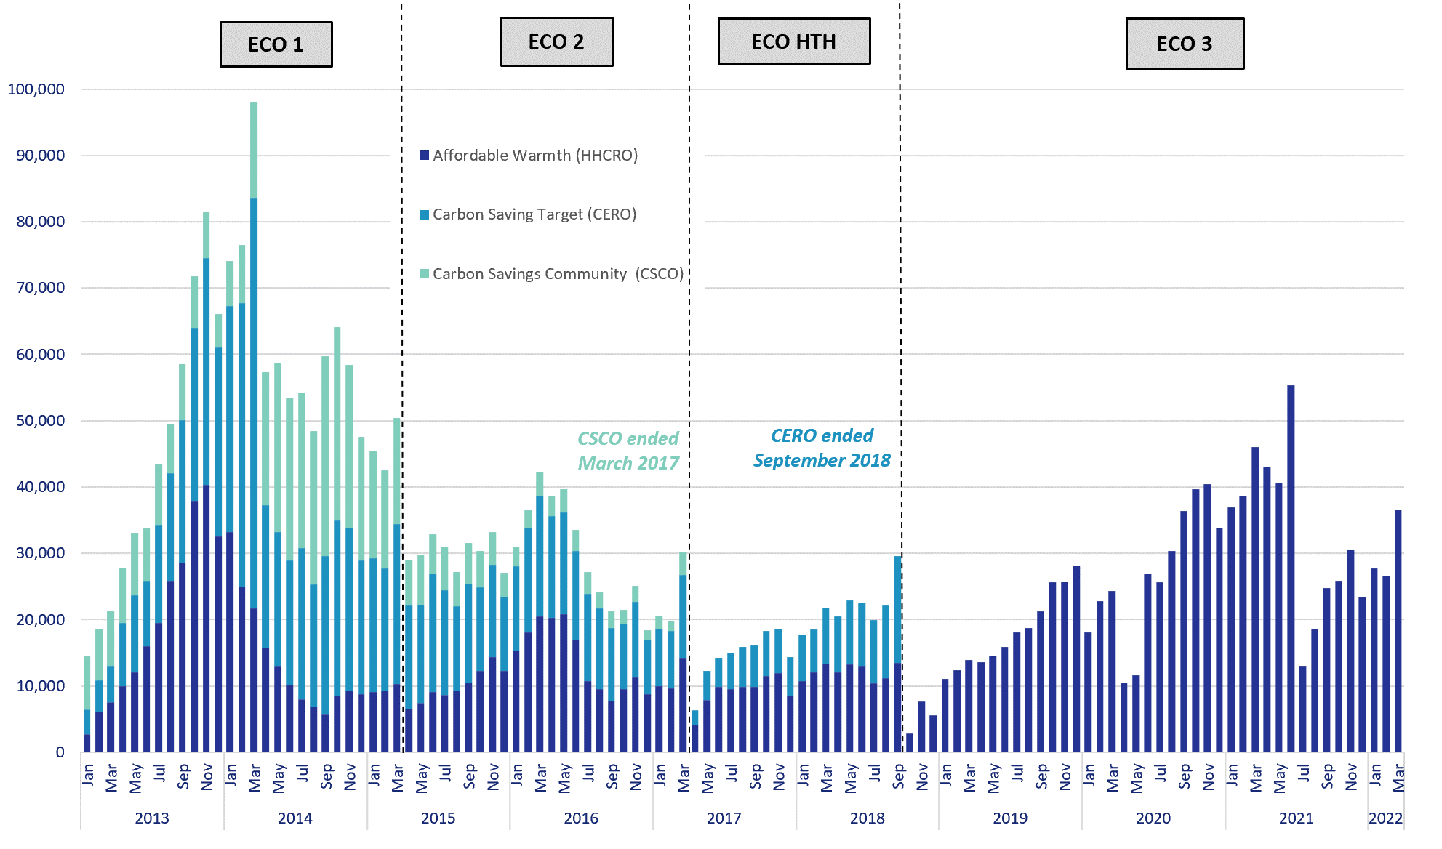
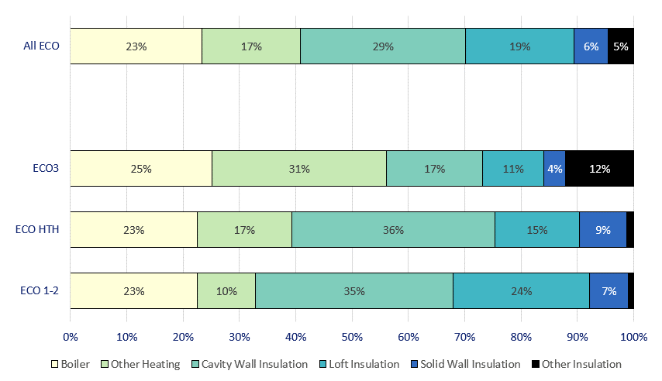

Chart 3: ECO measures by main fuel type of property, by quarter, up to end March 2022 | Chart 2b: Share of all Affordable Warmth measures, by measure type, by ECO phase, up to end March 2022
Data from T3.2 | Data from T2.6, T2.7 and T2.8
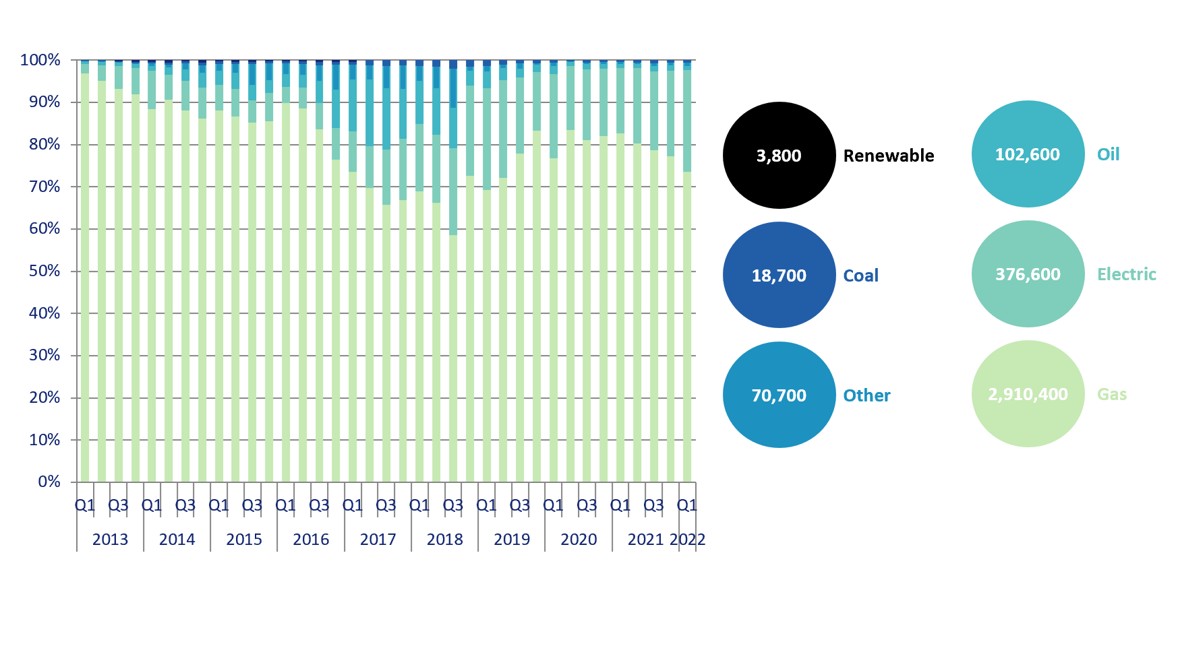
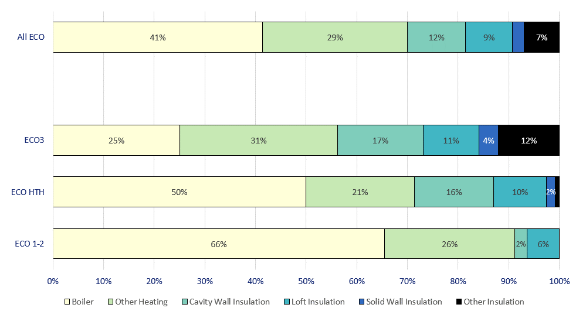

Chart 4: Estimated lifetime bill savings for Affordable Warmth measures, by installation quarter, up to end March 2022 | Chart 5: Number of ECO3 Flexible Eligibility Measures by installation month and share of ECO3 obligation delivered through flex, up to end March 2022
Data from T2.1 | Data from T2.2, T2.4, T2.5
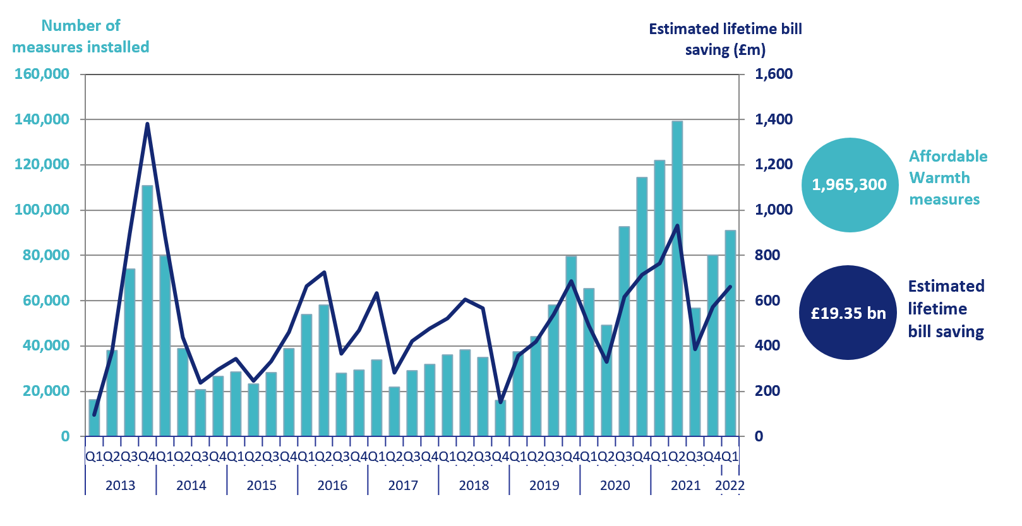
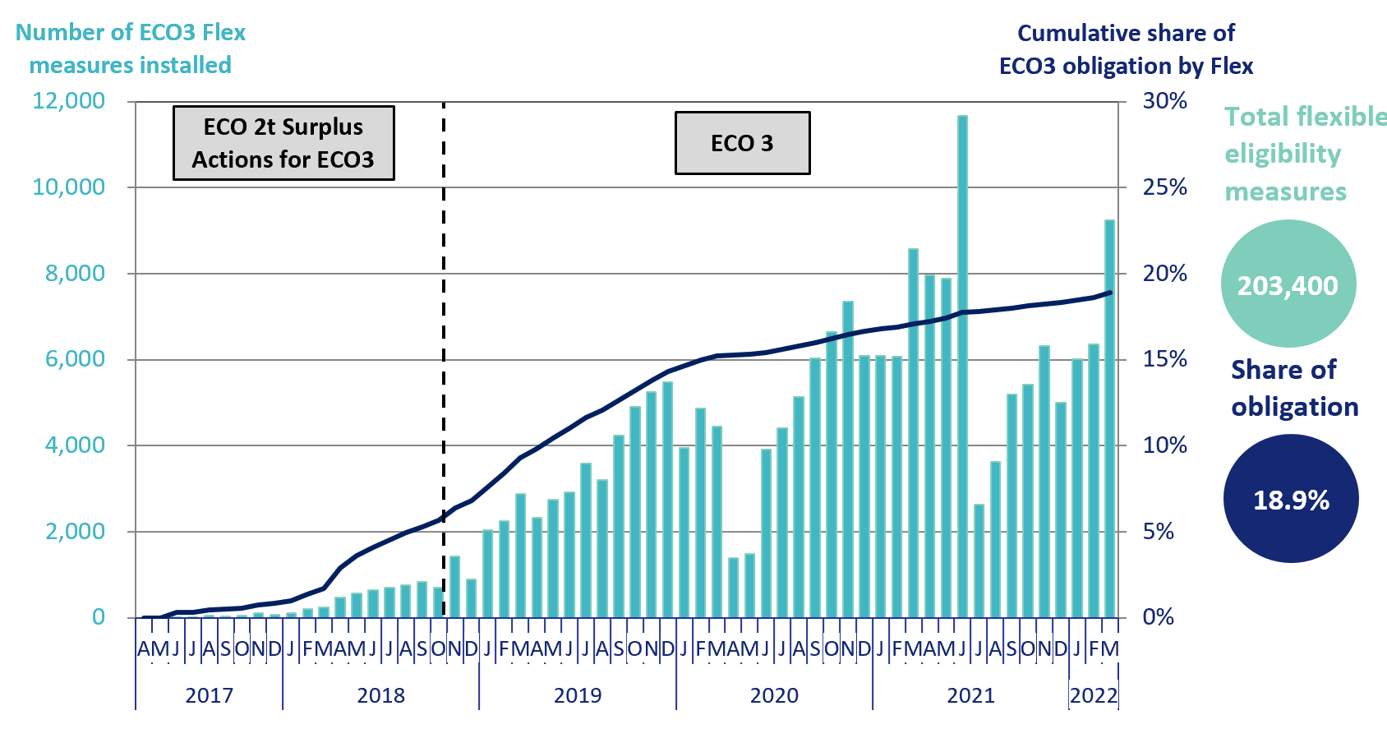

Chart 6: ECO3 costs, by cost type, by quarter, up to end March 2022 | Chart 7: Green Deal Plans, by ‘Live’ or ‘Completed’ status, by quarter, up to end June 2022
Data from T6.6 | Data from T7.1
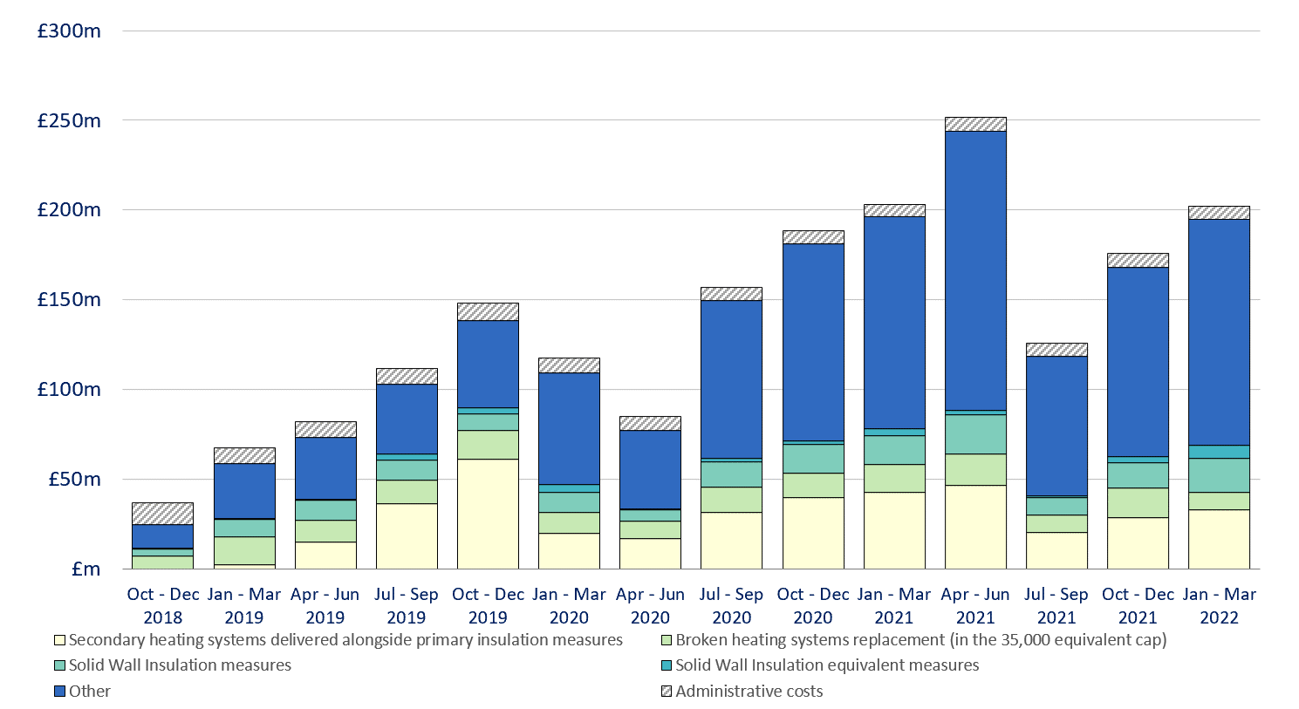
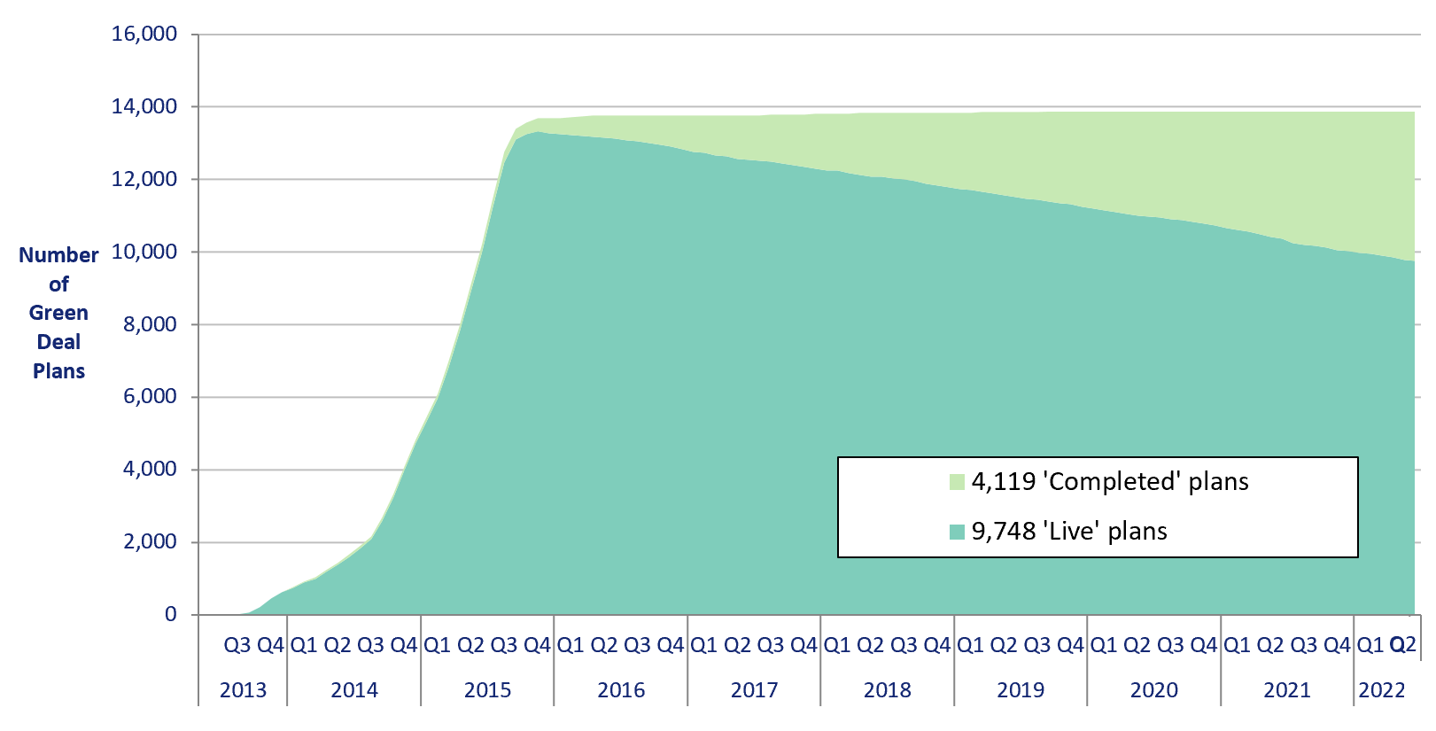

Infographic 1: Proportion of the 1 million homes target achieved, up to end April 2020 | Chart 8: Homes that have had an improvement measure, May 2015 to end April 2020
Data from T1.3 | Data from T1.3
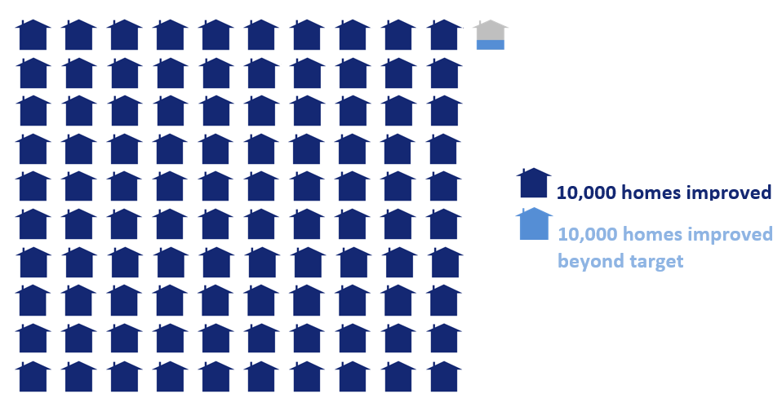
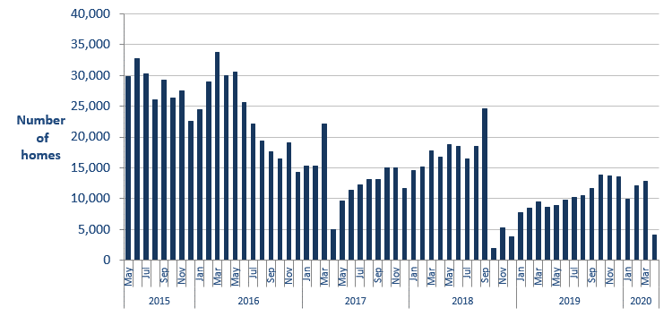

Infographic 2: ECO measures by measure type, up to end March 2022 | Infographic 3: ECO measures by region, up to end March 2022
Data from T2.6, T2.7 and T2.8 | Data from T3.3
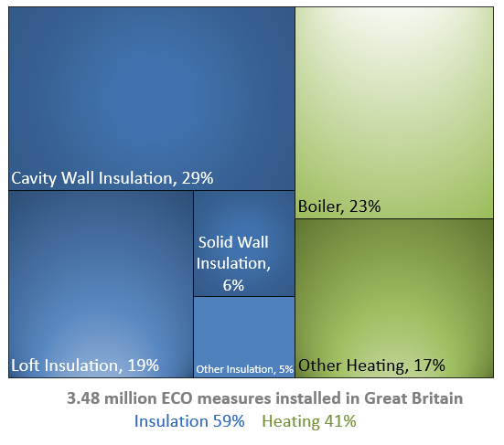
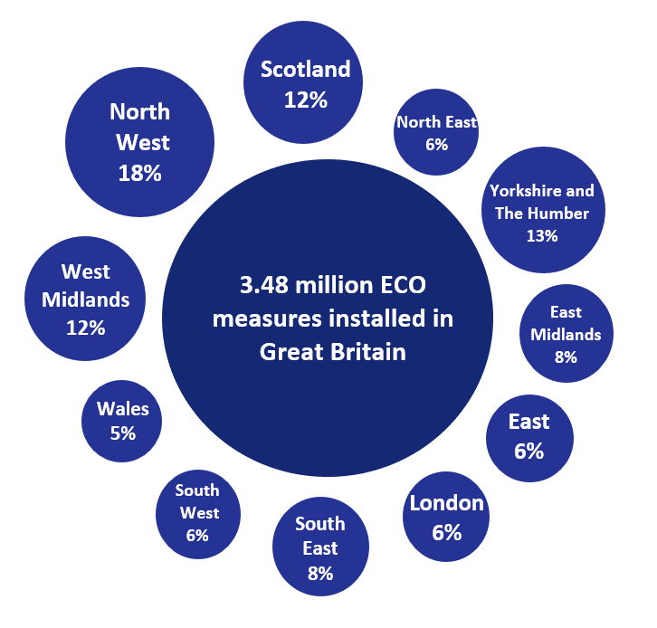

Chart 9: ECO measures installed by day from 1st April 2021 to 31st March 2022

Map1
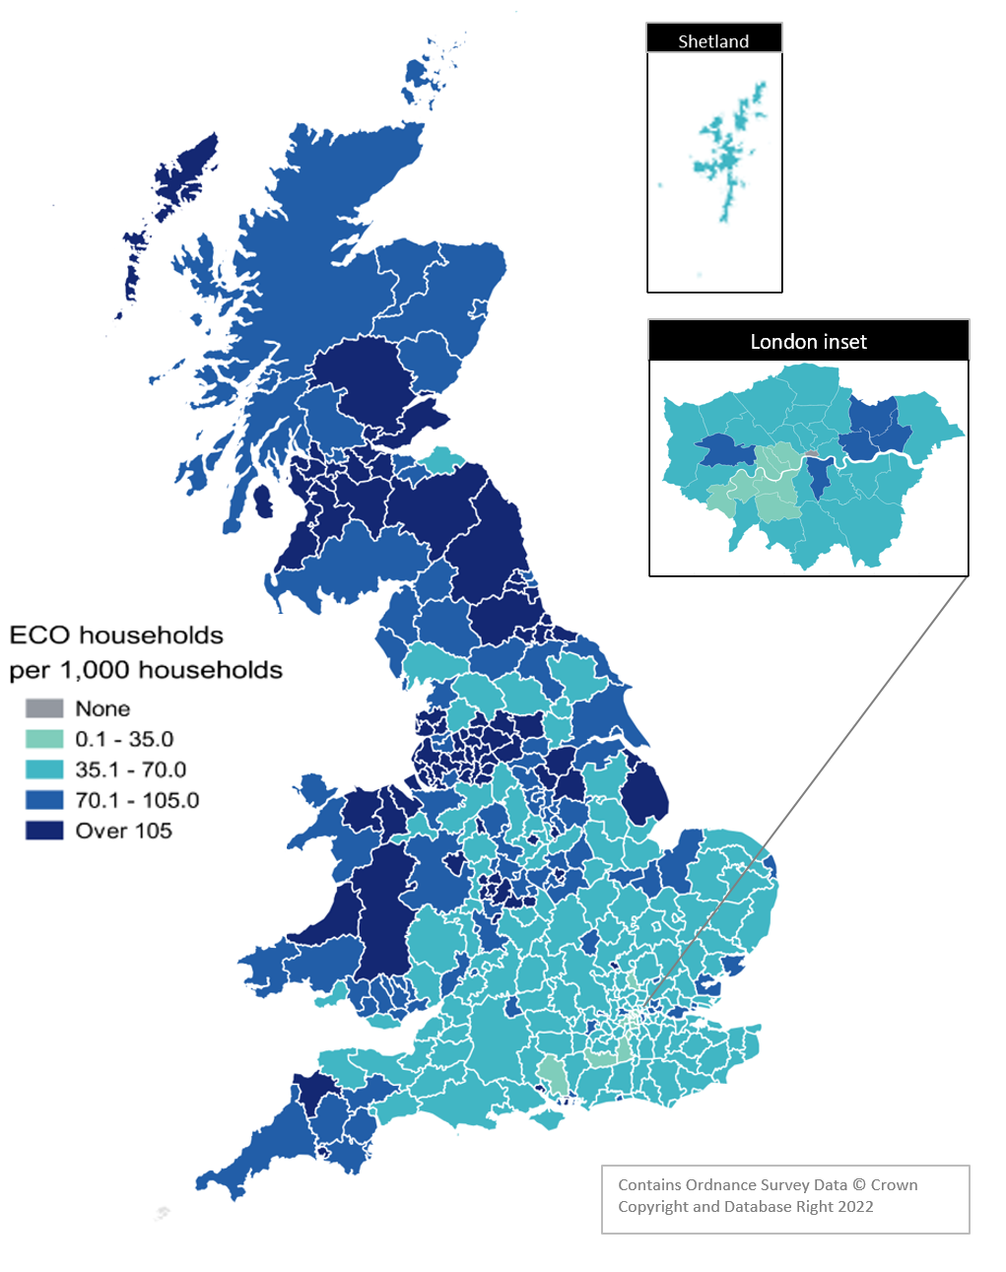
Map 1 – Households in receipt of ECO measures by Local Authority per 1,000 households (January 2013 to March 2022)
This worksheet contains one map. This map visualises the rate of households receiving an ECO measure per 1,000 households in a local authority area.
This worksheet contains blank rows and columns to aid the presentation of the charts.

Map2
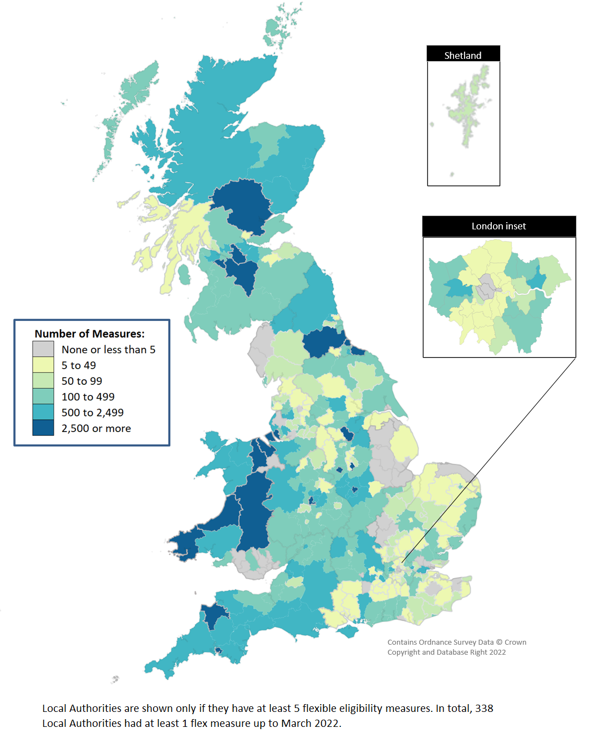
Map 2 - ECO measures installed through Flexible Eligibility, by Local Authority (April 2017 to March 2022)
This worksheet contains one map. This map visualises the rate of households receiving an ECO measure through the Flexible Eligibility obligation per 1,000 households in a local authority area.
This worksheet contains blank rows and columns to aid the presentation of the charts.

